PowerBeat
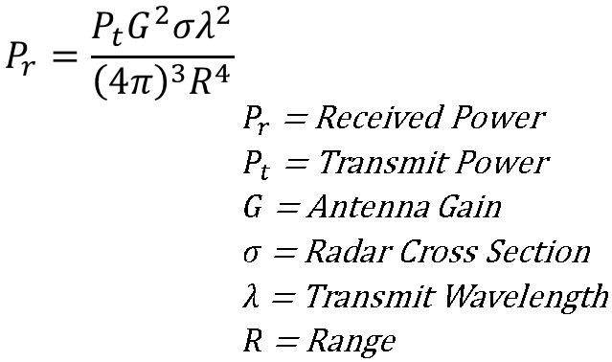
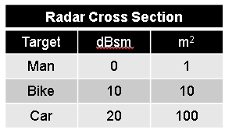
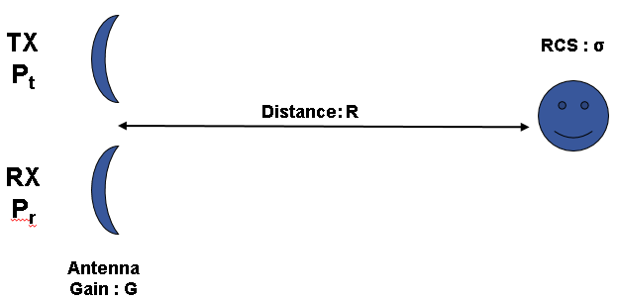
f_{r}
f_{B}=f_{t}-f_{r}
FMCW Radar
Distance: R
t
f_{t}
t_{d}
f_{B}
f_{DEV}
T_{s}
f_{r}
f_{t}
Cs | 122474487.1 | m/s
Pt | 20 | dBm | 1.00E-01 | W | fDEV | 1.00E+08 | Hz
G | 7 | dB | 5.01E+00 | W | Ts | 5.00E-03 | s
σ | 1 | m2
f | 2.45E+09 | Hz
R | 1.2 | m

λ | 5.00E-02 | m

Pr | 0.000001525472961 | W | -28.16595486 | dBm | fB | 3.92E+02 | Hz
 |  |  |  |  | td | 19.59591794 | ns

 |  |  |  |  | Δr | 0.61 | m
 |  |  |  |  | Δvr | 5.00 | m/s
 |  |  |  |  | Δvr | 18.00 | km/h
= Beat Frequency
= Sweep Frequency Deviation
= Speed of Light
T= Sweep Time
= Range

